说明
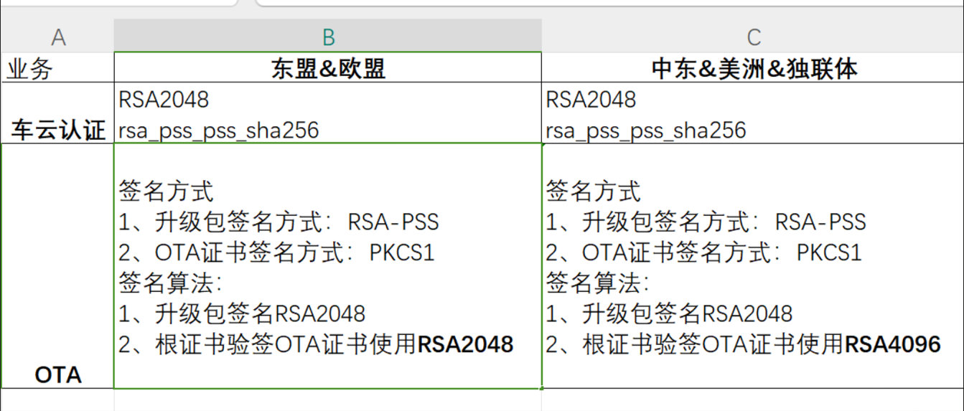
一、以中东利雅德举例，内部有两个文档： CHANGAN_QA_SUB_CA_LYD.pem OTA_RSA2048.cer 1、实际OTA升级流程中，会下发OTA_RSA2048.cer，通过CHANGAN_QA_SUB_CA_LYD.pem验证有效性，通过后再用OTA_RSA2048.cer验证升级包的签名值有效值。 2、实际项目中，C2L只需要预置二级证书sub_ca提取的根公钥文件（x509格式） 3、通过openssl命令验证证书有效性，需要完整的证书链，命令见下侧：

算法

